Task 1
Task 1: Top 10 Areas with Most Restaurants
Objective: Identify the top 10 areas with the highest number of restaurants.

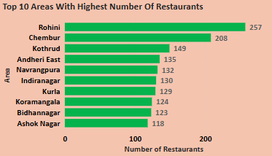
 | Insights:
 | 1. Rohini Dominates the List
 | Rohini has the highest number of restaurants (257), significantly more than any other area.
 | It has around 24% more restaurants than Chembur (208), the second-highest.
 | This suggests a high demand for food services in Rohini or a dense commercial/residential mix.

 | 2. Major Restaurant Hubs Identified
 | Chembur (208), Kothrud (149), and Andheri East (135) also have a strong restaurant presence.
 | These areas might be popular food destinations, high-footfall commercial zones, or densely populated residential areas.
 | The difference between areas is not linear.
 | The drop from Chembur (208) to Kothrud (149) is steep, suggesting uneven distribution across areas.

 | 3. Key Urban Centers Feature Prominently
 | Cities like Mumbai (Andheri East, Kurla, Chembur), Bangalore (Koramangala, Indiranagar, Ashok Nagar) & Delhi (Rohini) are well represented.
 | These are highly urbanized zones with strong food delivery demand.

 | 4. Business & Expansion Insights
 | Opportunities in Lower-Ranked Areas:
 | Areas with fewer restaurants (e.g., Ashok Nagar, Bidhanagar) may have room for new entrants if demand is high.
 | Competitive Markets:
 | Restaurants in Rohini, Chembur, and Kothrud face higher competition, so differentiation (unique cuisine, quality, or pricing) is key.

Task 2
Task 2: Most Popular Food Types Served by Swiggy Restaurants in Each City
Objective: Determine the most popular food types served in each city.

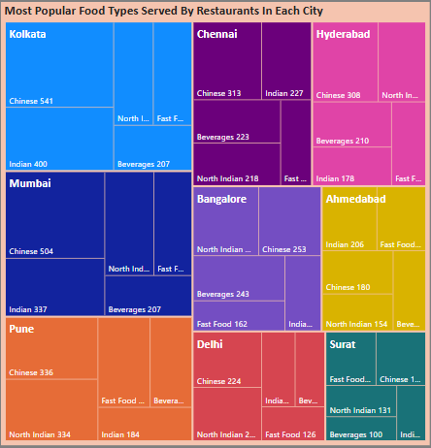
 | Insights:
 | Chinese cuisine is the most preferred across cities:
 | With the highest numbers in Kolkata (541), Mumbai (504), Pune (336), Chennai (313), Hyderabad (308), and Bangalore (253).
 | This indicates a widespread preference for Chinese food in urban areas.

 | North Indian cuisine also holds a strong presence:
 | Especially in Mumbai (337), Pune (334), and Chennai (218).
 | It remains a staple choice across multiple cities, reflecting its deep-rooted popularity.

 | Beverages are in high demand:
 | Particularly in Chennai (223), Bangalore (243), Hyderabad (210), and Kolkata (207).
 | This suggests a thriving café and beverage culture in these cities.

 | Fast food is notably popular:
 | Especially in Pune (198) and Bangalore (162).
 | This indicates a preference for quick meals in these metropolitan areas.

 | Ahmedabad prefers Indian (206) and Chinese (180) cuisines:
 | This indicates a strong inclination towards traditional and Indo-Chinese flavors.

 | Surat has a balanced preference:
 | Across Fast Food (151), Chinese (142), and North Indian (131), reflecting a diverse food culture.

Task 4
Task 4: Correlation of Factors Affecting Average Rating
Objective: Identify correlations between different factors (e.g., price, total ratings, delivery time) and average rating.
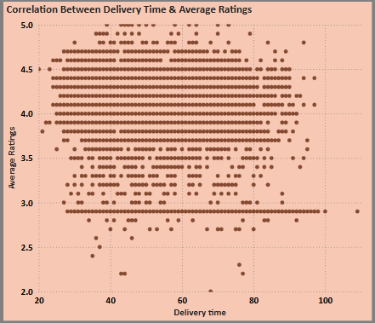

 | Insights:
 | Correlation Between Delivery Time & Average Ratings
 | The ratings are widely distributed across all delivery times, with no strong linear correlation.

 | Majority of ratings cluster between 3.5 and 4.5, regardless of delivery time.

 | A significant number of restaurants have exactly 3.0 ratings, suggesting a threshold where customers might penalize restaurants for delays.

 | Delivery times mostly range between 20 to 80 minutes, with some outliers exceeding 100 minutes.

 | Conclusion: Delivery time does not strongly impact ratings, but extreme delays might lower ratings.

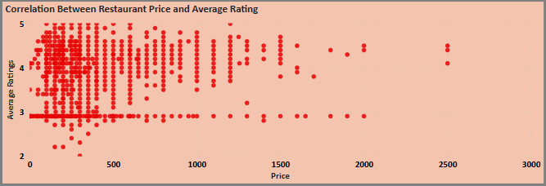
 | Insights:
 | Correlation Between Price & Average Ratings
 | Budget-friendly restaurants (below ₹500) dominate the 5-star ratings, showing that customers appreciate good food at an affordable price.

 | Restaurants in the mid-price range (₹500 - ₹1500) mostly have ratings between 3.5 and 4.5, suggesting they offer decent quality but may not always exceed expectations.

 | Expensive restaurants (above ₹1500) do not have perfect 5-star ratings but tend to stay above 4.0, indicating that while they provide good service, higher expectations may prevent perfect scores.

 | Conclusion: Price does not directly determine rating. Affordable restaurants often receive top ratings, while expensive restaurants generally have good but not perfect scores.

Task 6
Task 6: City-wise Restaurant Count
Objective: Find out the number of restaurants in each city.

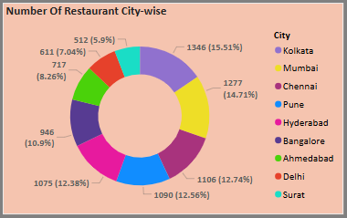
 | Insights:
 | Kolkata (15.51%) has the highest number of restaurants, reflecting its strong food culture with popular biryanis, sweets, and street food.

 | Mumbai (14.71%) follows closely, offering a mix of high-end dining and famous street food hubs.

 | Chennai, Pune, and Hyderabad (12-13%) have a balanced restaurant presence, driven by their diverse food scenes and growing urban population.

 | Bangalore (12.38%) stands out for its café & pub culture, fueled by a young, tech-savvy population and a mix of South Indian & global cuisines.

 | Ahmedabad & Delhi (7-8%) are moderate markets, with Ahmedabad’s vegetarian dominance and Delhi’s rich mix of street and fine dining options.

 | Surat (5.9%) has the fewest restaurants, but its food culture and urbanization are gradually expanding the industry.

Task 8
Task 8: Delivery Time Analysis
Objective: Analyze the average delivery time of restaurants.

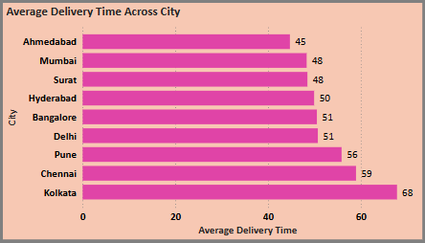

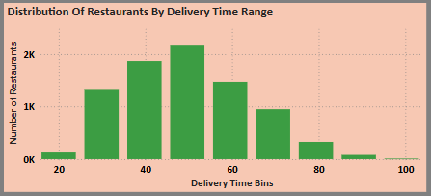

 | Insights:
 | Average Delivery Time Across Cities
 | Ahmedabad (45 mins) has the fastest delivery times, likely due to well-planned roads and efficient restaurant operations.
 | Mumbai (48 mins) and Surat (48 mins) also show good delivery speeds, possibly due to the presence of multiple delivery hubs.
 | Kolkata (68 mins) has the slowest delivery times, which could be affected by heavy traffic congestion, narrow streets, or restaurant density.
 | Chennai (59 mins) and Pune (56 mins) also experience longer-than-average delivery times, potentially due to urban sprawl and traffic bottlenecks.

 | Distribution of Delivery Time Ranges
 | The highest number of deliveries fall in the 40-60 minute range, meaning most food deliveries in India take close to an hour.
 | Very few restaurants deliver in under 30 minutes, possibly due to traffic, food preparation times, and order volume.
 | A small percentage of restaurants take over 80 minutes, which could be due to long-distance deliveries, peak-hour congestion, or restaurant inefficiencies.

Task 9
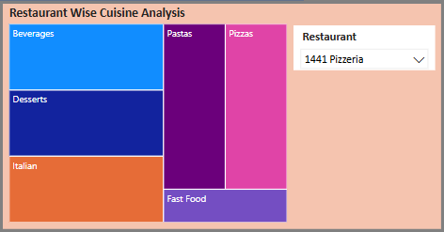
Task 9: Cuisine Analysis
Objective: Analyze the variety of cuisines offered by restaurants.
 | Insights:
 | The presence of a slicer allows users to select different restaurants and visualize their cuisine offerings dynamically.

 | Restaurant: 1441 Pizzeria
 | Italian Cuisine Focus – The selected restaurant (1441 Pizzeria) specializes in pizzas and pastas, making Italian food its core offering.
 | Fast Food Inclusion – Offers quick-service meals, expanding its appeal beyond Italian cuisine.
 | Beverages & Desserts – Provides add-ons like drinks and sweets, enhancing customer experience and revenue.
 | Balanced Menu – Caters to both authentic Italian food lovers and fast-food seekers, boosting customer reach.

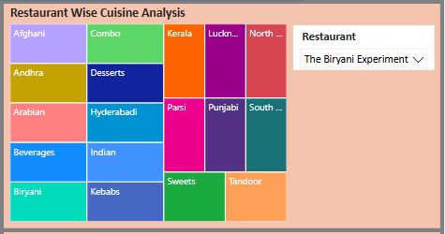

 | Restaurant: The Briyani Experiment
 | Diverse Regional Cuisine – The restaurant offers a wide variety of Indian regional cuisines, including Hyderabadi, Andhra, Kerala, Punjabi, and Lucknowi flavors.
 | Biryani-Centric Menu – As the name suggests, Biryani is a major focus, but it also includes kebabs and tandoor dishes.
 | Complementary Offerings – Includes desserts, sweets, and beverages, providing a complete meal experience.

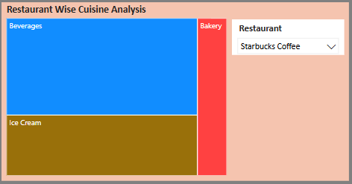

 | Restaurant: Starbucks Coffee
 | Beverage-Dominant Menu – The largest category is beverages, aligning with Starbucks’ core coffee and drink offerings.
 | Limited Food Options – Apart from beverages, the menu includes bakery items and ice cream, catering to customers looking for light snacks.
 | Focused Product Range – Unlike full-service restaurants, Starbucks maintains a specialized menu centered around drinks and small accompaniments.

Task 10
Task10: Area-wise Restaurant Analysis
Objective: Analyze the number of restaurants in each area within the city.

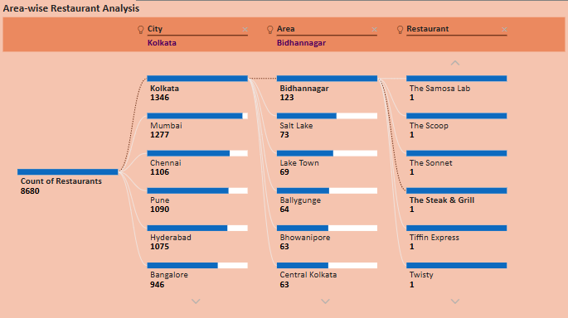

 | Insights:
 | City-wise Distribution – The number of restaurants varies significantly across cities, with cities like Kolkata & Mumbai having a much higher concentration of restaurants than others.

 | Area-wise Hotspots – Within each city, certain areas have a higher density of restaurants, making them prime food hubs. Within Kolkata, Bidhannagar has 123 restaurants, making it a significant area for dining.

 | Micro-level Restaurant Presence – Specific neighborhoods or sub-areas within a city (e.g., Salt Lake in Kolkata) show a higher concentration of restaurants, indicating popular dining destinations.

 | Individual Restaurant Listings – Some restaurants are individually identifiable, showing their presence in specific areas, highlighting diverse dining options and competition in food-dense locations.

Task 11
Task 11: Correlation Analysis
Objective: Investigate any correlations between variables such as price, ratings, and delivery time.

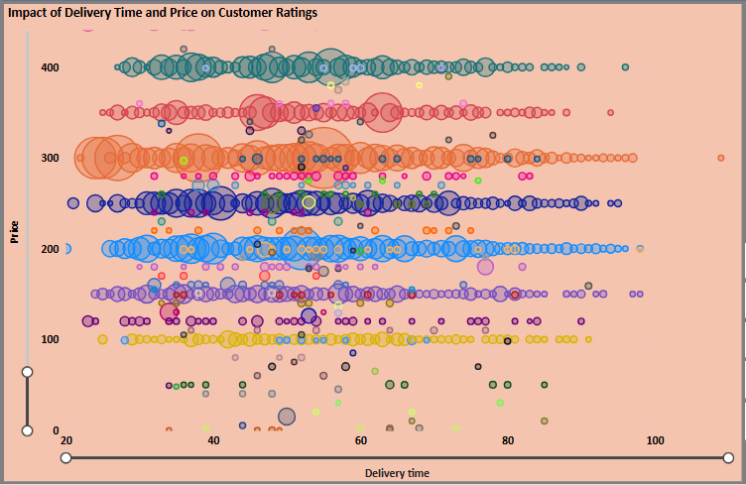

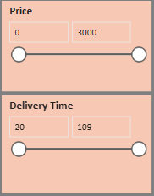

 | Insights:
 | The slicers allow users to filter based on price and delivery time, making it easier to analyze specific patterns.

 | Popular Restaurants (Larger Bubbles) Are Affordable:
 | Most of the large bubbles (highly rated restaurants) are concentrated in the ₹100–₹500 price range and delivery times between 30–60 minutes.
 | This suggests that affordable restaurants with moderate delivery times receive the most ratings, possibly due to higher order volume.

 | Expensive Restaurants Have Fewer Ratings:
 | Restaurants priced above ₹1000 have much smaller bubbles, indicating they receive fewer total ratings compared to budget-friendly options.
 | This suggests that premium-priced restaurants cater to a niche audience and do not generate as many orders as lower-priced ones.

 | Faster Delivery Does Not Always Mean More Ratings:
 | While many highly rated restaurants fall within the 30–50 min delivery range, some in the 50–70 min range also receive a high number of ratings.
 | This suggests that customers are willing to wait for popular restaurants, provided the food quality and pricing are attractive.

 | Long Delivery Times (80+ mins) Have Fewer Ratings:
 | There are very few large bubbles beyond 80+ minutes delivery time, meaning restaurants with long delivery times tend to get fewer ratings/orders.
 | This suggests a potential drop in customer preference for slower deliveries.

Task 12
Task 12: Customer Feedback Analysis
Objective: Analyze customer feedback based on ratings and total ratings.
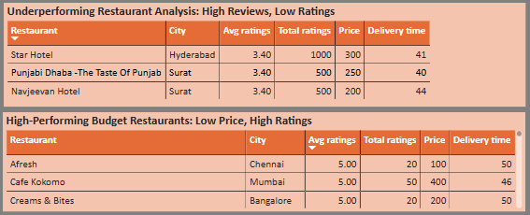
 |  | Insights:
 |  | Underperforming Restaurants (High Reviews, Low Ratings)
 |  | Some restaurants, like Star Hotel and Punjabi Dhaba, have received a large number of ratings but have a low average rating of 3.40.
 |  | Possible reasons include inconsistent food quality, poor service, or higher-than-expected prices compared to quality.
 |  | These restaurants may need to improve customer experience to enhance their ratings.

 |  | High-Performing Budget Restaurants (Low Price, High Ratings)
 |  | Restaurants like Afresh and Cafe Kokomo have an average rating of 5.00 but fewer total ratings.
 |  | These establishments provide value for money, suggesting that customers highly appreciate them despite lower order volumes.
 |  | Marketing strategies can focus on increasing visibility to attract more customers.

 | Rating Distribution Across Cities
 | Most restaurants in all cities fall within the medium-rated category (2.5 to 4.5), indicating a general level of satisfactory service.
 | Top-rated restaurants (above 4.5) are rare, with cities like Kolkata and Ahmedabad having the least number of high-rated restaurants.
 | The presence of low-rated restaurants (below 2.5) is minimal, indicating that extremely poor service is uncommon.

Task 13
Task 13: Geographical Mapping
Objective: Create a geographical map of restaurant locations.
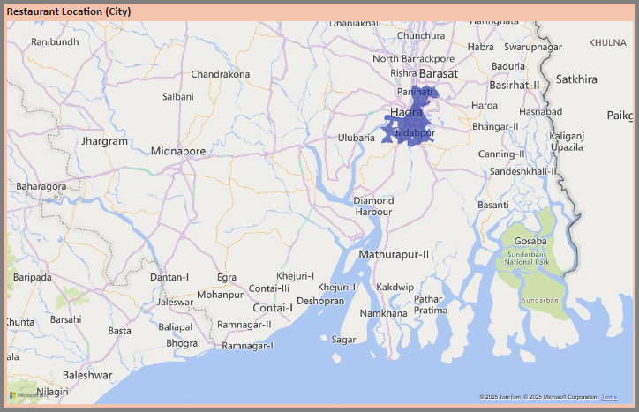
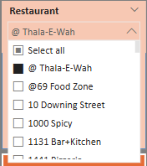

 | Insights:
 | The map provides a visual representation of restaurant locations within a city
 | The slicer on the right allows filtering by specific restaurants, making it easier to analyze their locations and coverage.
 | We can select individual restaurants to view their exact locations on the map

Dashboard
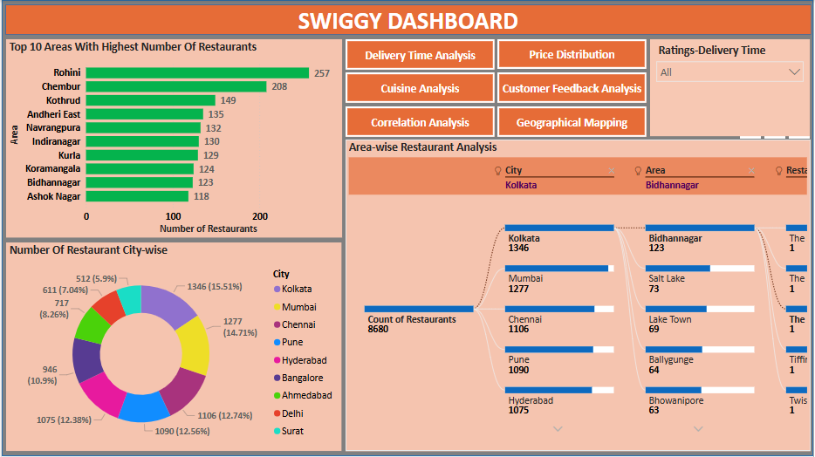
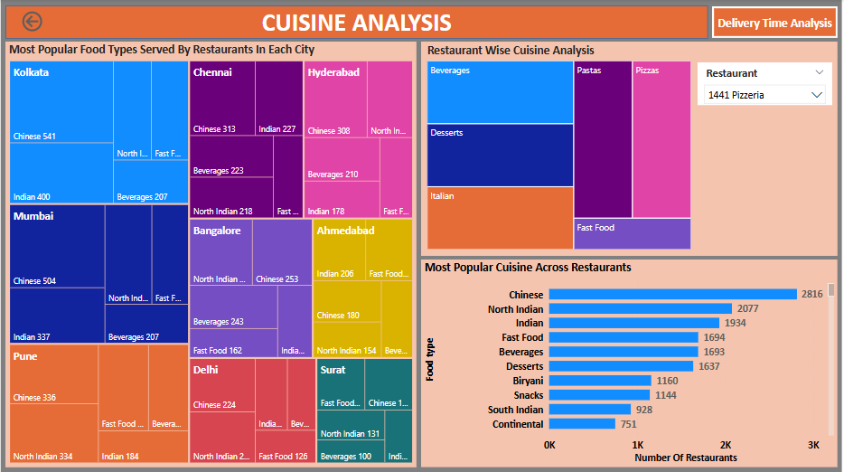
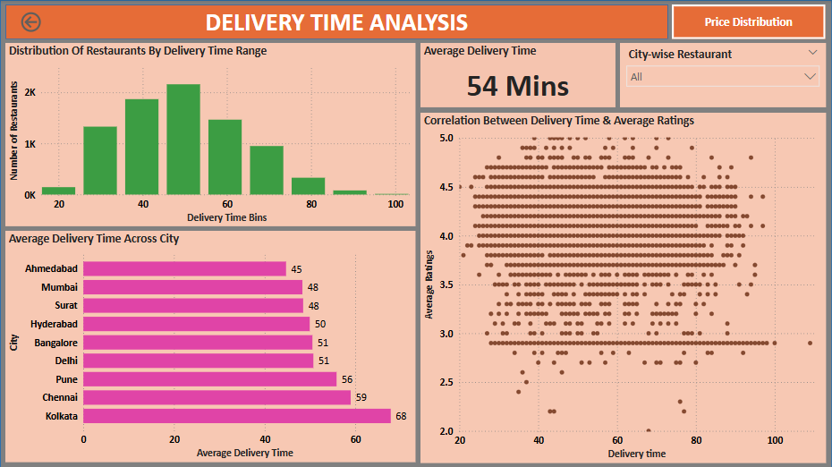
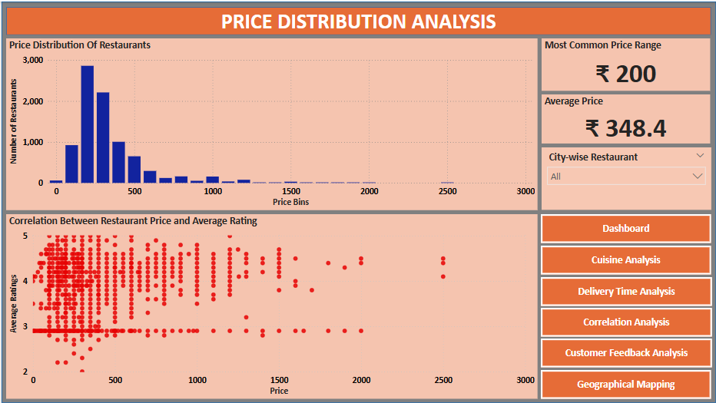
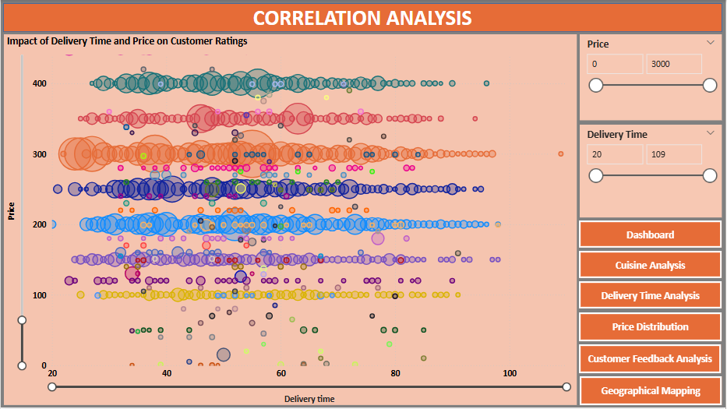
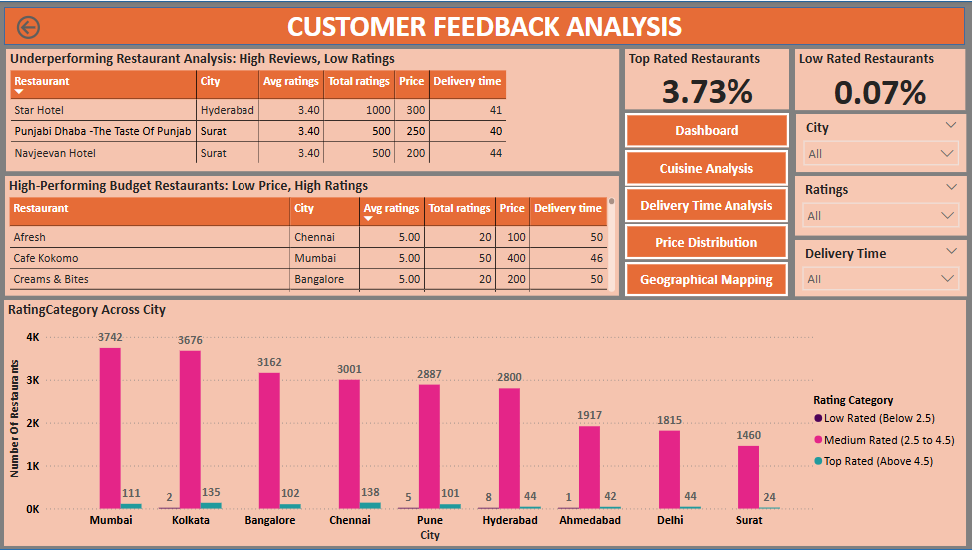
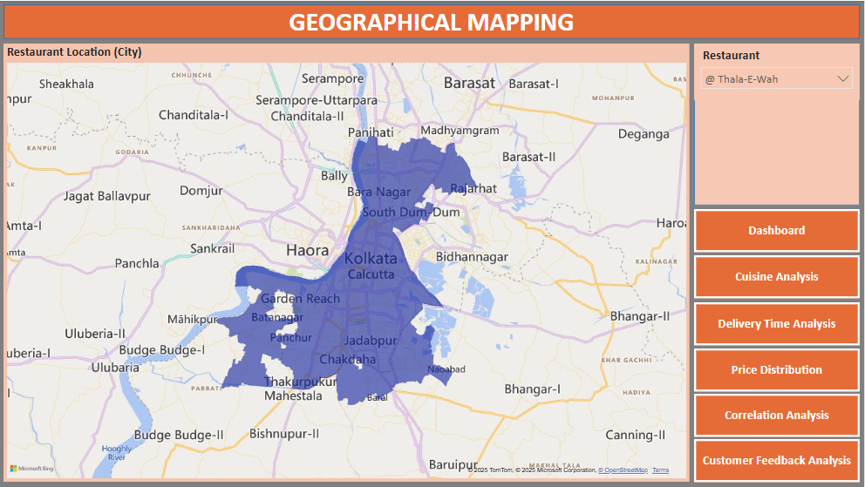
Dashboard

